Critical path
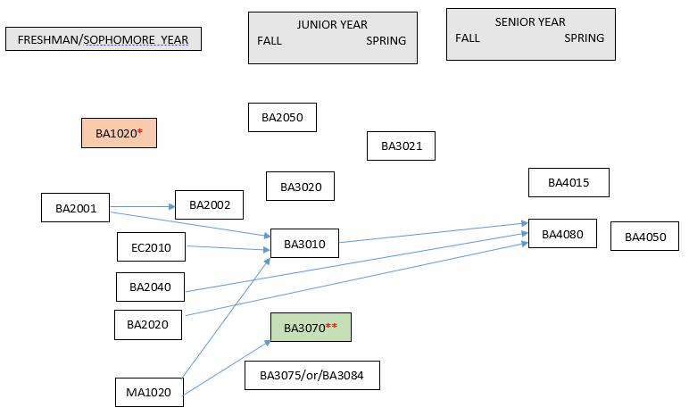
Entrepreneurship Major 2018
· Courses required: EC2010, MA1020, BA1020, BA2001, BA2002, BA2020, BA2040, BA2050, BA3010, BA3020, BA3021, BA3070, BA3075 OR BA3084, BA4015, BA4050, BA4080.
· Several required courses are only offered once per year, as specified here and in the chart below. BA2050 – fall only; BA3020 – fall only; BA3021 – spring only. BA3075 will be offered in fall semesters; BA3084 will be offered in spring semesters.
· Below is a critical path of courses. Students can take courses in later years than shown below as long as prerequisites are met for subsequent courses.
· *Note that BA1020 is a pre-requisite for upper-level business courses starting in spring 2018. The purpose of this is to ensure students take the course in the beginning of their program.
· **Note that the pre-requisite for BA3070 is either BA1020 or BA2020 plus MA1020.
· BA4050 is to be taken in the student’s final semester at AUP.

