Critical Path
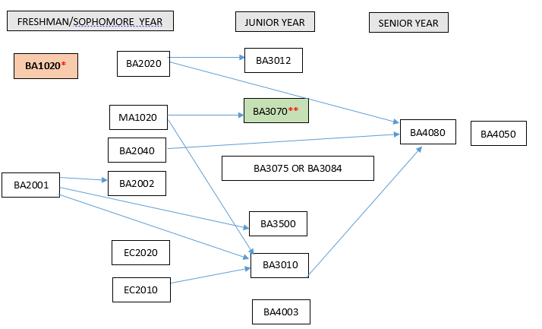
International Business Administration Major – 2018
· Courses required: EC2010, EC2020, MA1020, BA1020 (2 credits), BA2001, BA2002, BA2020, BA2040, BA3010, BA3012, BA3070, BA3075 OR BA3084, BA3500, BA4003, BA4050 (2 credits), BA4080. Note that BA4050 is a co-requisite with BA4080.
· All specifically required courses are offered both fall and spring. BA3075 will be offered in fall semesters; BA3084 will be offered in spring semesters. The following courses have also generally been offered in the summer: EC2010, MA1020, BA2001, & BA2040.
· Below is a critical path of courses. Students can take courses in later years than shown below as long as prerequisites are met for subsequent courses.
· *Note that BA1020 is a pre-requisite for all upper-level business courses. The purpose of this is to ensure students take the course in the beginning of their program.
· **Note that the pre-requisite for BA3070 is either BA1020 or BA2020 plus MA1020.
· BA4050 is to be taken in the student’s final semester at AUP.

