Critical Path
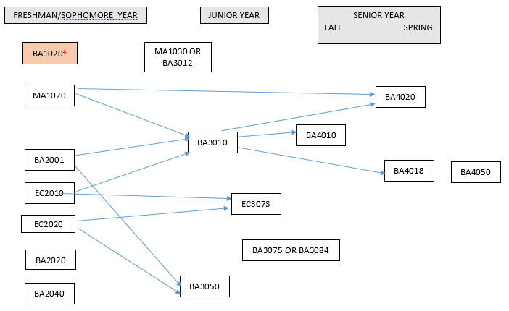
International Finance Major 2018
· Courses required: EC2010, EC2020, EC3073, MA1020, MA1030/or/BA3012, BA1020, BA2001, BA2020, BA2040, BA3010, BA3050, BA3075/or/BA3084, BA4010, BA4018, BA4020, BA4050.
· Several required courses are only offered once per year, as specified here and in the chart below. BA3050 – fall only; BA4010 – fall only; BA4018 – spring only; BA4020 – spring only. BA3075 will be offered in fall semesters; BA3084 will be offered in spring semesters. EC3073 – spring only.
· Below is a critical path of courses. Students graduating in a fall semester must be very careful since some courses are only offered once per year and the sequence is designed for students graduating in spring semesters.
· *Note that BA1020 is a pre-requisite for upper-level business courses starting in spring 2018. The purpose of this is to ensure students take the course in the beginning of their program.
· BA4050 is to be taken in the student’s final semester at AUP.

