Critical Path
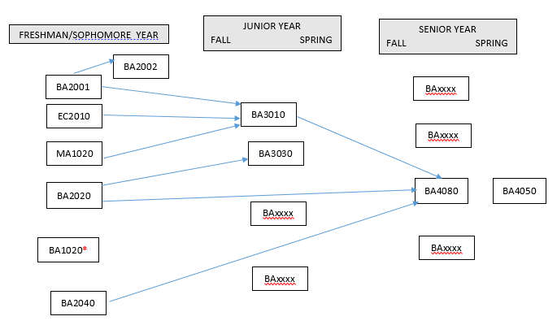
Management Major 2018
· Courses required: EC2010, MA1020, BA1020, BA2001, BA2002, BA2020, BA2040, BA3010, BA3030, BA4050, BA4080 + 5 courses chosen from among the BA courses.
· NOTE: BA3030 is only offered every three semesters
· Below is a critical path of courses. Students can take courses in later years than shown below as long as prerequisites are met for subsequent courses.
· *Note that BA1020 will become a pre-requisite for upper-level business courses starting in spring 2018. The purpose of this is to ensure students take the course in the beginning of their program.
· BA4050 is to be taken in the student’s final semester at AUP.

