Critical Path
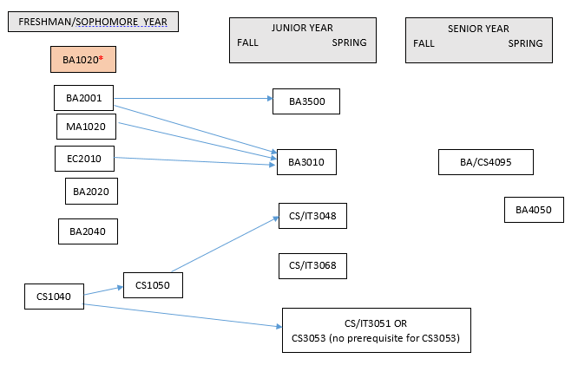
Management Information Systems Major 2018
· Courses required: EC2010, MA1020, BA1020 (2 credits), BA2001, BA2020, BA2040, BA3010, BA3500, CS1040, CS1050, CS/IT3048, CS/IT3051 OR CS3053, CS/IT3068, BA4050 (2 credits), BA/CS4095.
· Below is a critical path of courses. It is best to complete CS1040 and CS1050 no later than the sophomore year, to ensure ample time to get CS/IT3048 and CS/IT3051 – because they aren’t offered every year.
· *Note that BA1020 is a pre-requisite for upper-level business courses starting in spring 2018. The purpose of this is to ensure students take the course in the beginning of their program.
· BA4050 is to be taken in the student’s final semester at AUP.

